Detailed Investigation Result
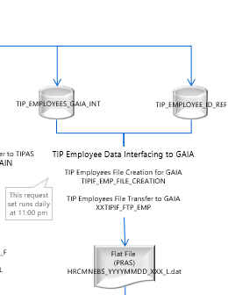
Detailed Investigation Result

 | SELECT EMPLOYEE_NUMBER,LAST_NAME,PERSON_ID | SELECT EMPLOYEE_NO, REFERENCE_NO,PERSON_ID
 | FROM apps.tip_employees_gaia_int | FROM apps.TIP_EMPLOYEE_ID_REF
 | where 1=1 | where 1=1
 | and employee_number in ( '423J0077','423J0085') | and employee_no in ('423J0078','423J0086')

 | TIP_EMPLOYEES_GAIA_INT | TIP_EMPLOYEE_ID_REF

 | HRMS Employees Data Interfacing to TIP Systems

 | Person_id in Table TIP_EMPLOYEES_GAIA_INT and TIP_EMPLOYEE_ID_REF must align for TIP Employees File Creation for GAIA program

Actual Operation Evidence
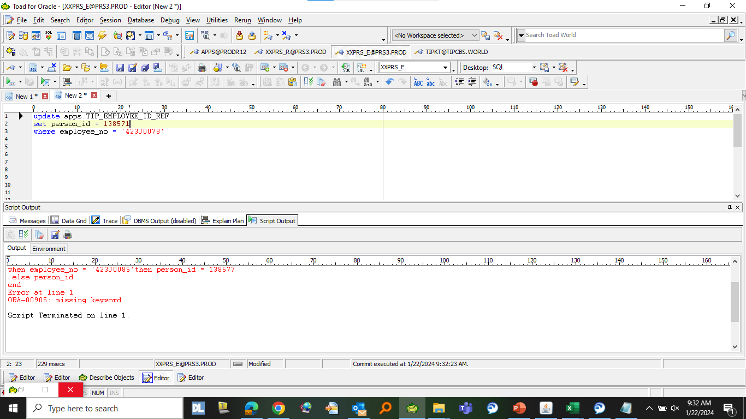







Actual Operation Evidence

Helpdesk Request
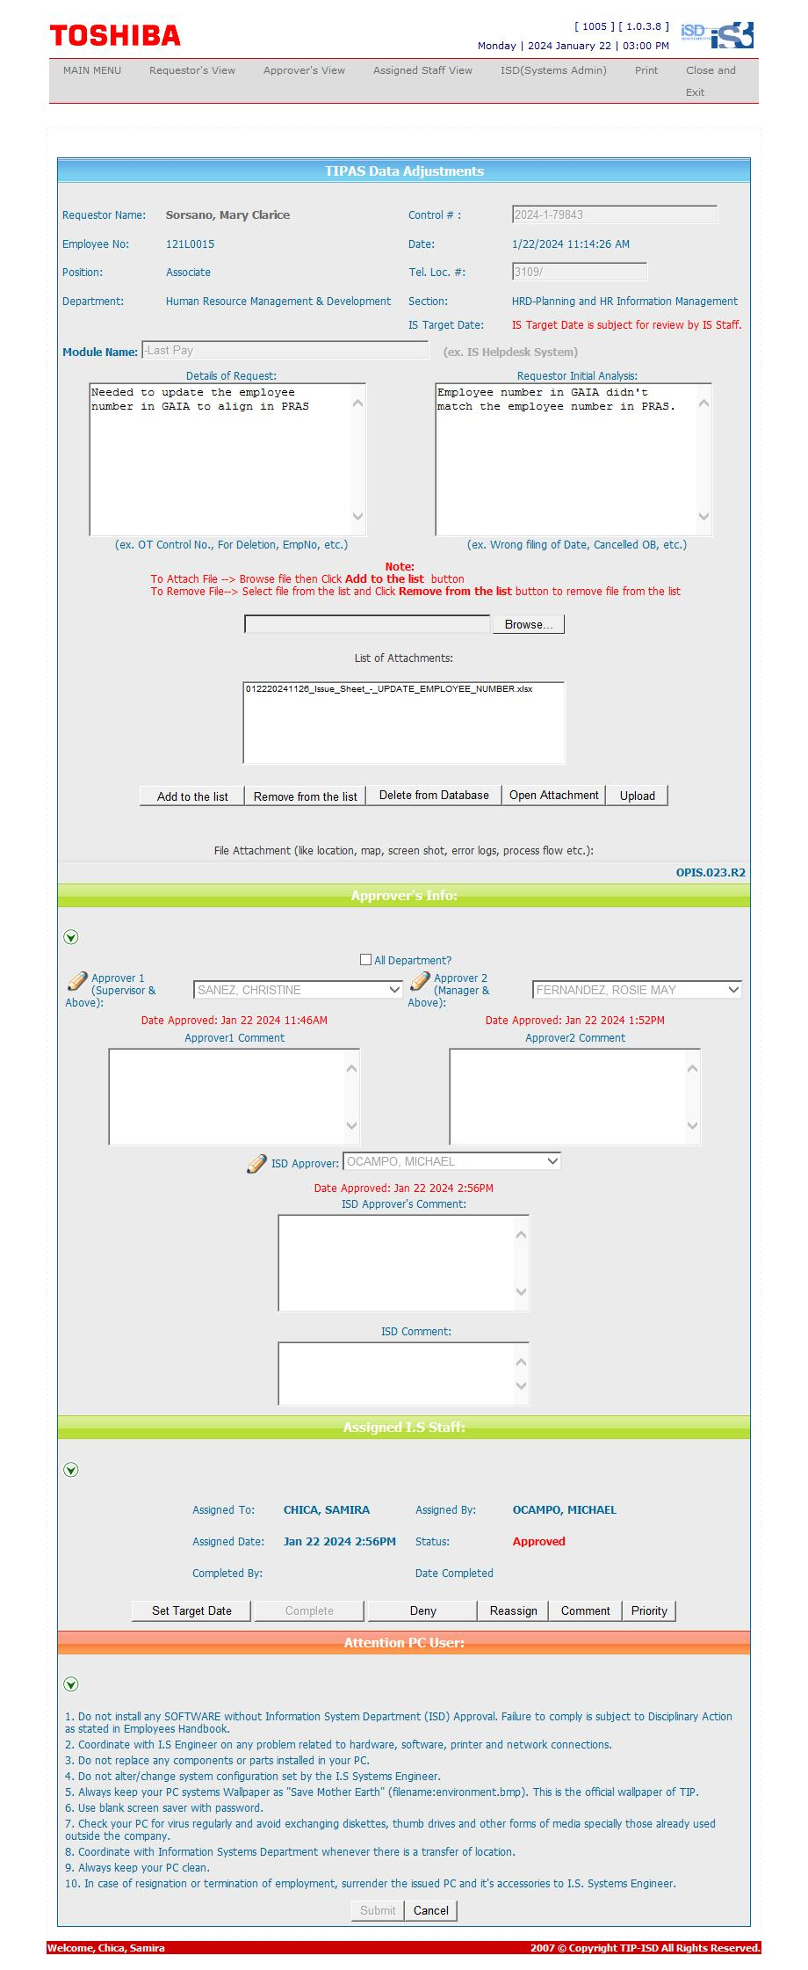
Helpdesk Request

